Pivot Table 1
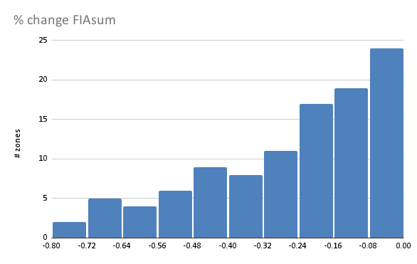
% change FIAsum | % change FIAiv
-63% | -55%
-66% | -58%
-66% | -58%
-56% | -54%
-45% | -29%
-39% | -53%
-39% | -46%
-41% | -51%
-49% | -47%
-45% | -42%
-29% | -28%
-38% | -34%
-66% | -46%
-69% | -51%
-49% | -38%
-26% | -37%
-42% | -31%
-25% | -27%
-45% | -42%
-35% | -35%
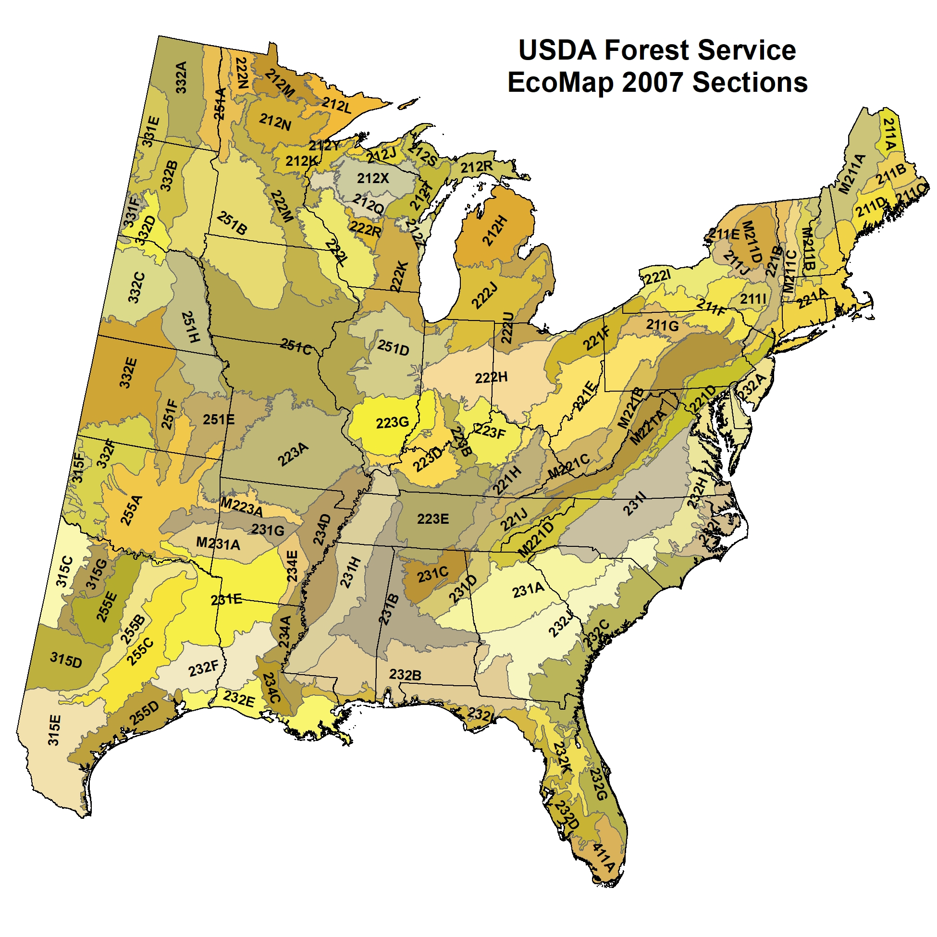
-59% | -58%
-55% | -43%
-30% | -37%
-33% | -49%
-22% | -33%
-22% | -46%
-36% | -53%
-23% | -35%
-24% | -25%
-21% | -35%
-31% | -44%
-29% | -38%
-20% | -30%
-16% | -40%
-23% | -24%
-71% | -40%
-35% | -40%
-9% | -30%
-18% | -29%
-13% | -34%
-21% | -36%
-23% | -32%
-23% | -41%
-27% | -25%
-4% | -17%
-5% | -25%
-17% | -34%
-11% | -26%
-2% | -18%
-4% | -22%
-3% | -16%
-13% | -23%
-35% | -45%
-1% | -13%
-4% | -28%
-13% | -24%
-1% | -9%
-1% | -9%
-15% | -31%
-9% | -25%
-10% | -29%
-1% | -15%
-12% | -44%
-8% | -27%
-4% | -13%
-13% | -20%
-5% | -11%
-6% | -15%
-7% | -17%
-3% | -19%
-17% | -33%
-6% | -25%
-9% | -20%
-3% | -16%
-4% | -23%
-10% | -24%
-9% | -30%
-11% | -26%
-18% | -22%
-40% | -50%
-48% | -44%
-52% | -60%
-79% | -48%
-58% | -47%
-23% | -42%
-76% | -79%
-4% | -23%
-3% | -28%
-28% | -18%
-10% | -21%
-7% | -23%
-5% | -15%
-11% | -51%
-27% | -23%
-52% | -41%
-44% | -43%
-46% | -41%
-43% | -38%
-20% | -34%
-22% | -36%
-11% | -28%
-16% | -24%
-10% | -18%
-1% | -10%
-28% | -32%

